1
WINDY GROUP
SAMPLE REQUISITION FORM

Merchandiser Name |  | NAHID/RAJIB |  |  |  |  |  | 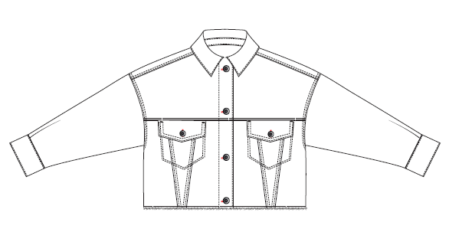 Item Picture
Buyer |  | MANGO
Style |  | ANNA2 CROPPED
Item |  | Ladies Jacket
Sample Type |  | RE- DEVELOPMENT SAMPLE
Sample Requisition Date |  | 1-Sep-22
Sample Required Date |  | 2-Sep-22
Techpeck Issue Date
Comments Issue Date
PATTERN |  | AS ATTACHED
Styling
Option
Size |  |  | S
Quantity |  |  | 4
Type of Wash
Part - 1 |  |  |  |  | Part - 2
Fabric & Trims | Issue Date | Yes / No | Remarks |  | Fabric & Trims |  | Issue Date | Yes / No | Remarks
Shell Fabric |  |  | SRD -5389 |  | Back Label
 |  |  |  |  | Back Label
Pocketing |  |  | White TC
TOP |  | 20/3 | cost -2306
INSIDE STITCH THREAD |  | 20/2 | cost -2306
BARTACK |  | 40/2 | cost -2306
Overlock |  | 40/2 | cost -2306
 |  |  |  | Fabric Swatch |  | Pocketing Swatch |  |  |  | Thread Swatch
Note: Sampling Target

* 07 Days for fit sample submission
* 10 Days for Size-set sample submission
* 07 Days for PP sample submission
Any comments must be get by 07 days.

 |  |  |  |  |  | Merchandiser |  |  |  |  | Sample Checked By

